Challenge
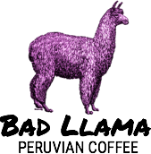 | Customer Invoice Bad Llama Peruvian Coffee 2121 14th Avenue Circle Drive Raleigh, NC 27607 |  | Invoice #40592
 |  |  | 30/03/2024
ITEM DESCRIPTION | UNIT PRICE | QUANTITY | LINE TOTAL
Cusco Dark Roast | ₦6.59 | 3 | $19.77
Amazon Amanecer Breakfast Roast | ₦6.89 | 8 | $55.12
Sacred Valley Medium Roast | ₦6.49 | 10 | $64.90
Machu Picchu Special Blend | ₦7.29 | 2 | $14.58
 |  | SALES TAX RATE: | 7.5%
 |  | TAX: | $11.58
 |  | TOTAL: | $166.02

